Resume
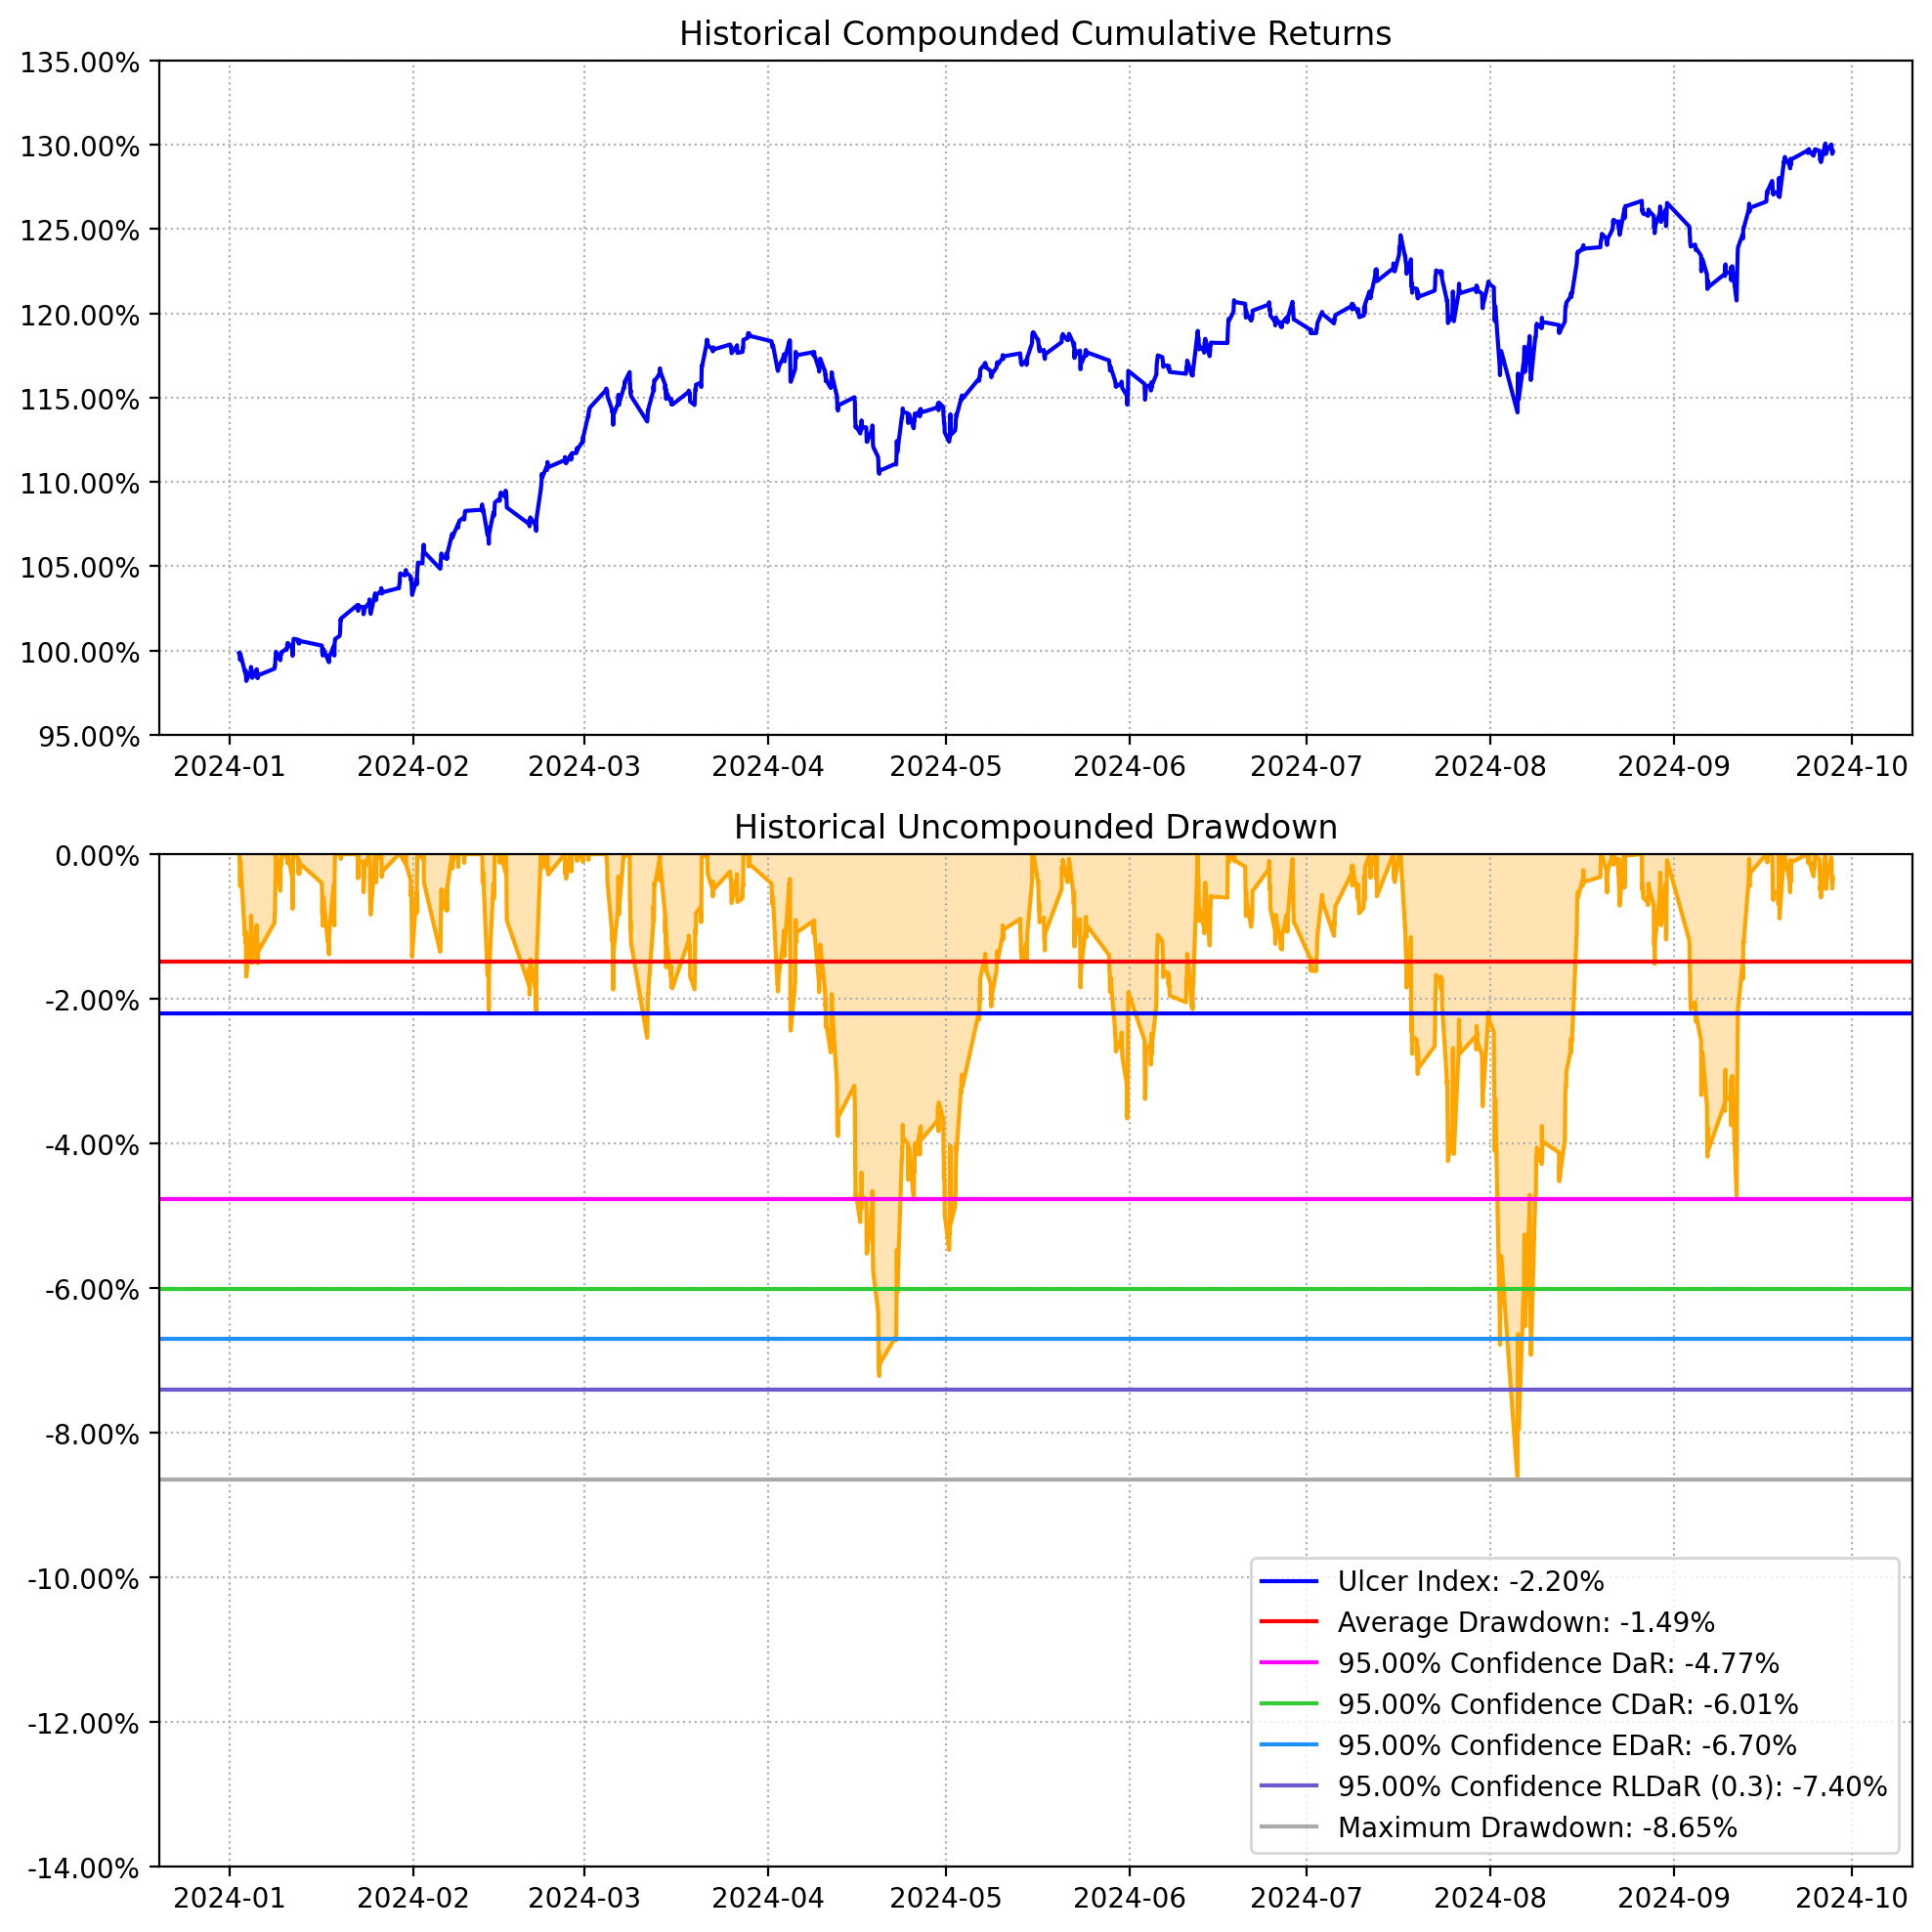
Riskfolio-Lib Report
Copyright (c) 2020-2023, Dany Cajas All rights reserved. Redistribution and use in source and binary forms, with or without modification, are permitted provided that the following conditions are met: * Redistributions of source code must retain the above copyright notice, this list of conditions and the following disclaimer. * Redistributions in binary form must reproduce the above copyright notice, this list of conditions and the following disclaimer in the documentation and/or other materials provided with the distribution. * Neither the name of Riskfolio-Lib nor the names of its contributors may be used to endorse or promote products derived from this software without specific prior written permission. THIS SOFTWARE IS PROVIDED BY THE COPYRIGHT HOLDERS AND CONTRIBUTORS "AS IS" AND ANY EXPRESS OR IMPLIED WARRANTIES, INCLUDING, BUT NOT LIMITED TO, THE IMPLIED WARRANTIES OF MERCHANTABILITY AND FITNESS FOR A PARTICULAR PURPOSE ARE DISCLAIMED. IN NO EVENT SHALL THE COPYRIGHT HOLDER OR CONTRIBUTORS BE LIABLE FOR ANY DIRECT, INDIRECT, INCIDENTAL, SPECIAL, EXEMPLARY, OR CONSEQUENTIAL DAMAGES (INCLUDING, BUT NOT LIMITED TO, PROCUREMENT OF SUBSTITUTE GOODS OR SERVICES; LOSS OF USE, DATA, OR PROFITS; OR BUSINESS INTERRUPTION) HOWEVER CAUSED AND ON ANY THEORY OF LIABILITY, WHETHER IN CONTRACT, STRICT LIABILITY, OR TORT (INCLUDING NEGLIGENCE OR OTHERWISE) ARISING IN ANY WAY OUT OF THE USE OF THIS SOFTWARE, EVEN IF ADVISED OF THE POSSIBILITY OF SUCH DAMAGE.
https://github.com/dcajasn/Riskfolio-Lib
 | Portfolio 1
Profitability and Other Inputs
Total Days in DataBase | 0,270
Mean Return (1) | 5.1673%
Compound Annual Growth Rate (CAGR) | 27.3904%
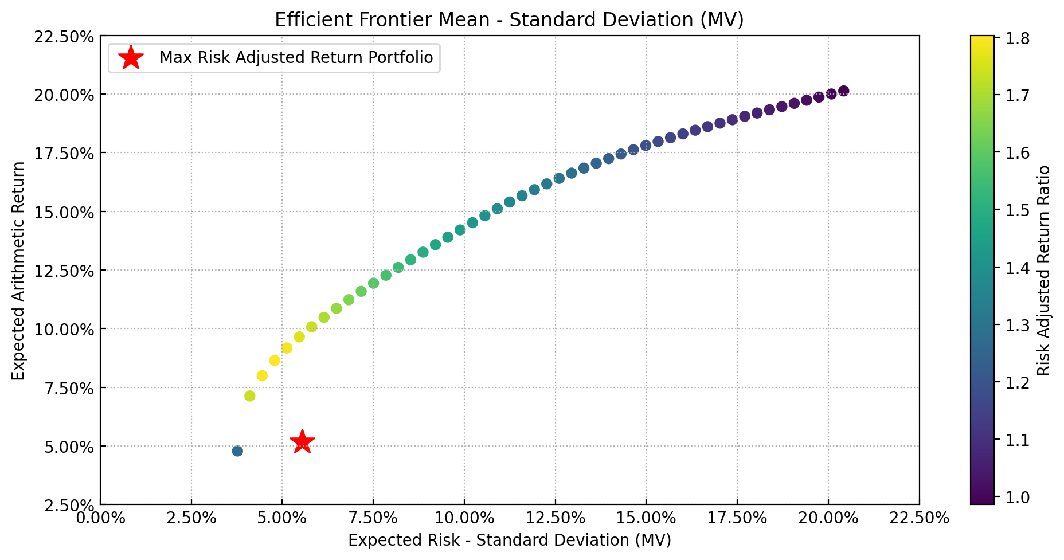
Minimum Acceptable Return (MAR) (1) | 0.0000%
Alpha | 5.0000%

Risk Measures based on Returns
Standard Deviation (2) | 5.5538%
Mean Absolute Deviation (MAD) (2) | 3.5302%
Semi Standard Deviation (2) | 3.9313%
First Lower Partial Moment (FLPM) (2) | 1.6049%
Second Lower Partial Moment (SLPM) (2) | 3.7892%
Value at Risk (VaR) (2) | 6.8635%
Conditional Value at Risk (CVaR) (2) | 12.5754%
Entropic Value at Risk (EVaR) (2) | 28.3121%
Worst Realization (2) | 49.1143%
Skewness | -0.4214
Kurtosis | 13.7978

Risk Measures based on Drawdowns (3)
Ulcer Index (UCI) | 2.2004%
Average Drawdown (ADD) | 1.4857%
Drawdown at Risk (DaR) | 4.7682%
Conditional Drawdown at Risk (CDaR) | 6.0090%
Entropic Drawdown at Risk (CDaR) | 6.6982%
Max Drawdown (MDD) | 8.6533%
(1) Annualized, multiplied by 252
(2) Annualized, multiplied by √252
(3) Based on uncompounded cumulated returns

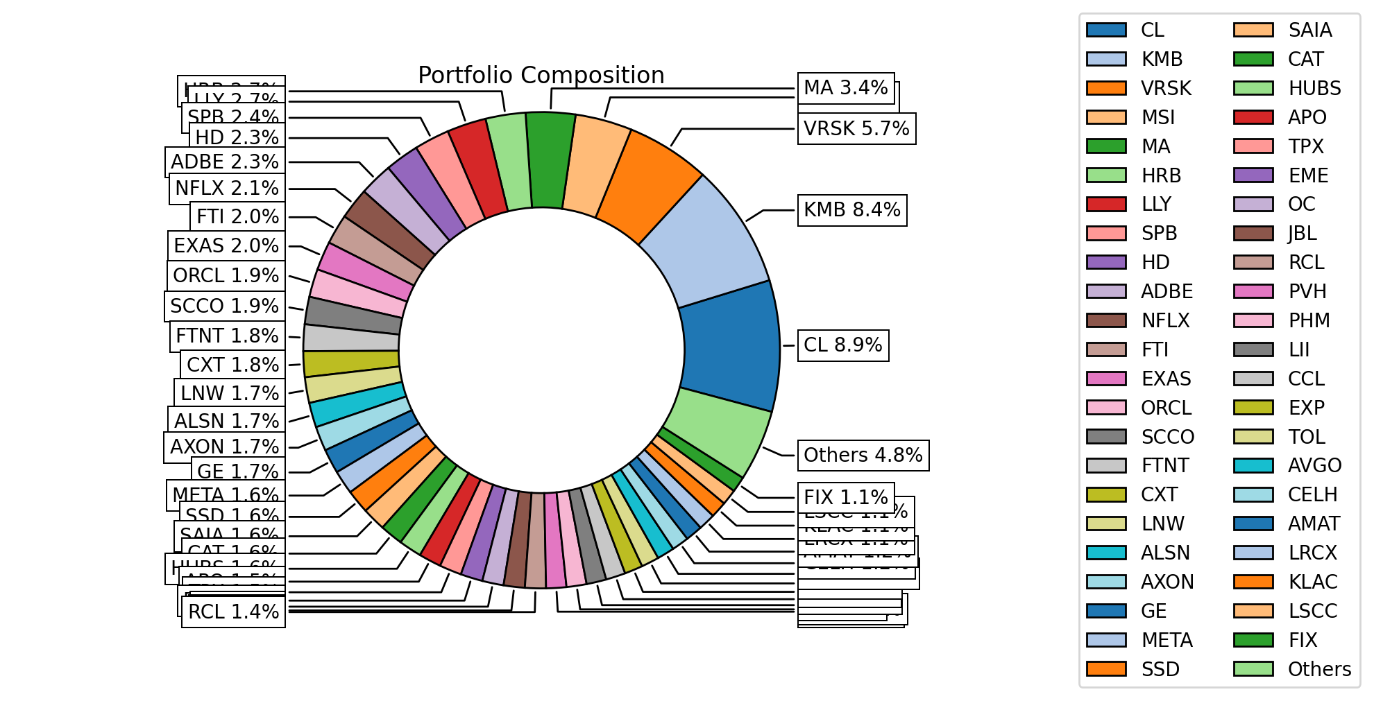
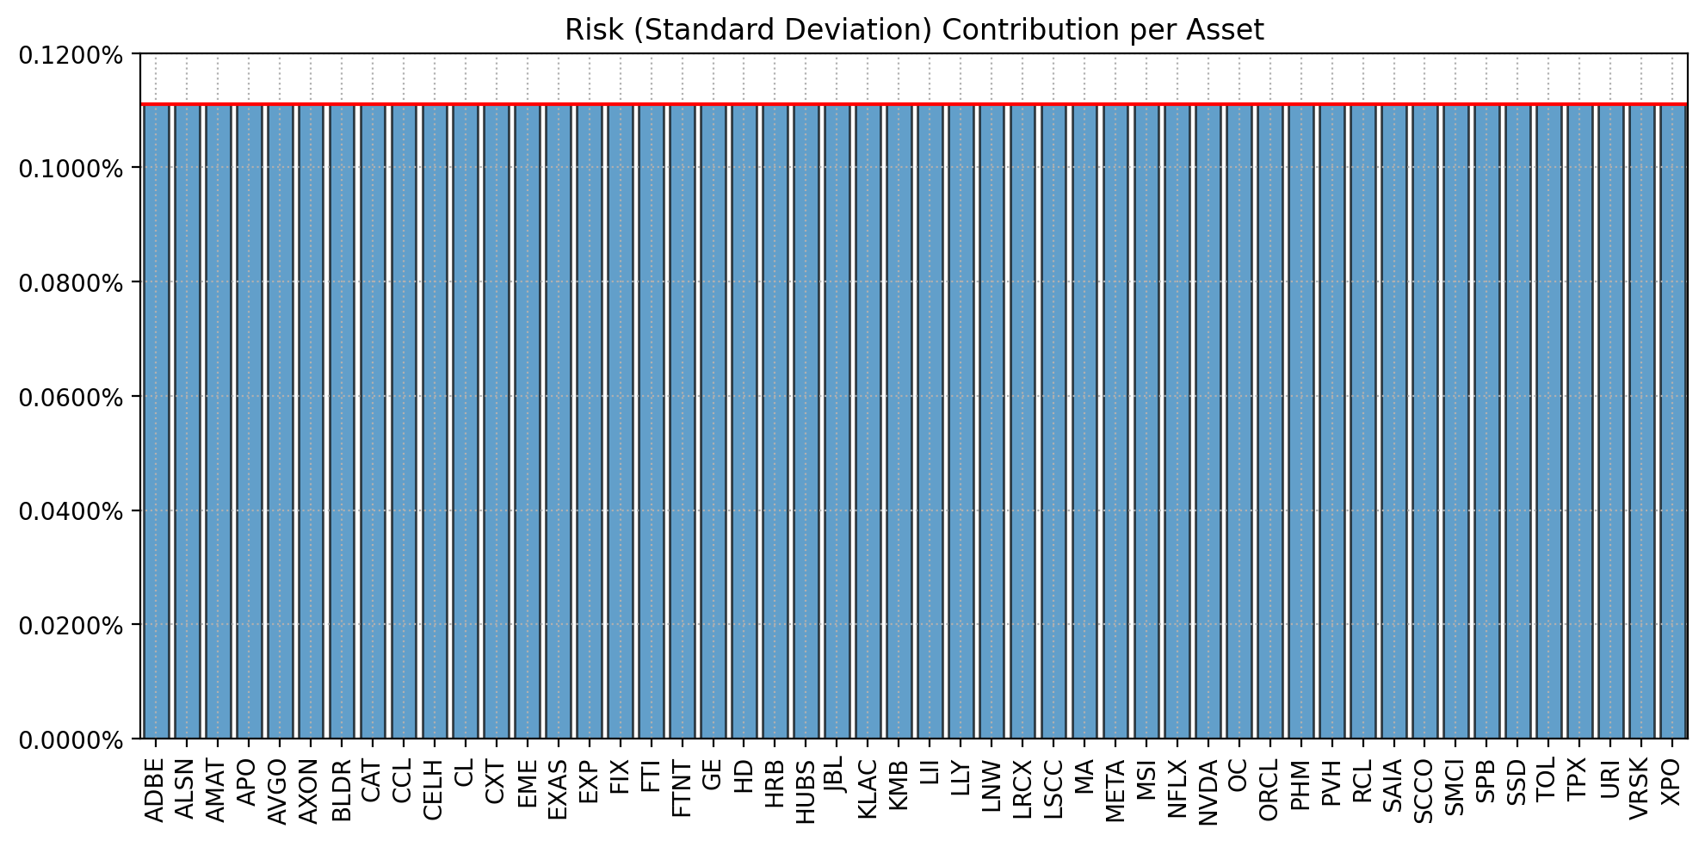
 | Portfolio 1
ADBE | 2.2590%
ALSN | 1.6796%
AMAT | 1.1544%
APO | 1.5194%
AVGO | 1.1770%
AXON | 1.6634%
BLDR | 1.0125%
CAT | 1.5587%
CCL | 1.3275%
CELH | 1.1567%
CL | 8.9175%
CXT | 1.7512%
EME | 1.4952%
EXAS | 1.9502%
EXP | 1.2311%
FIX | 1.0594%
FTI | 2.0249%
FTNT | 1.8058%
GE | 1.6553%
HD | 2.2976%
HRB | 2.7122%
HUBS | 1.5524%
JBL | 1.4326%
KLAC | 1.1147%
KMB | 8.4370%
LII | 1.3448%
LLY | 2.6546%
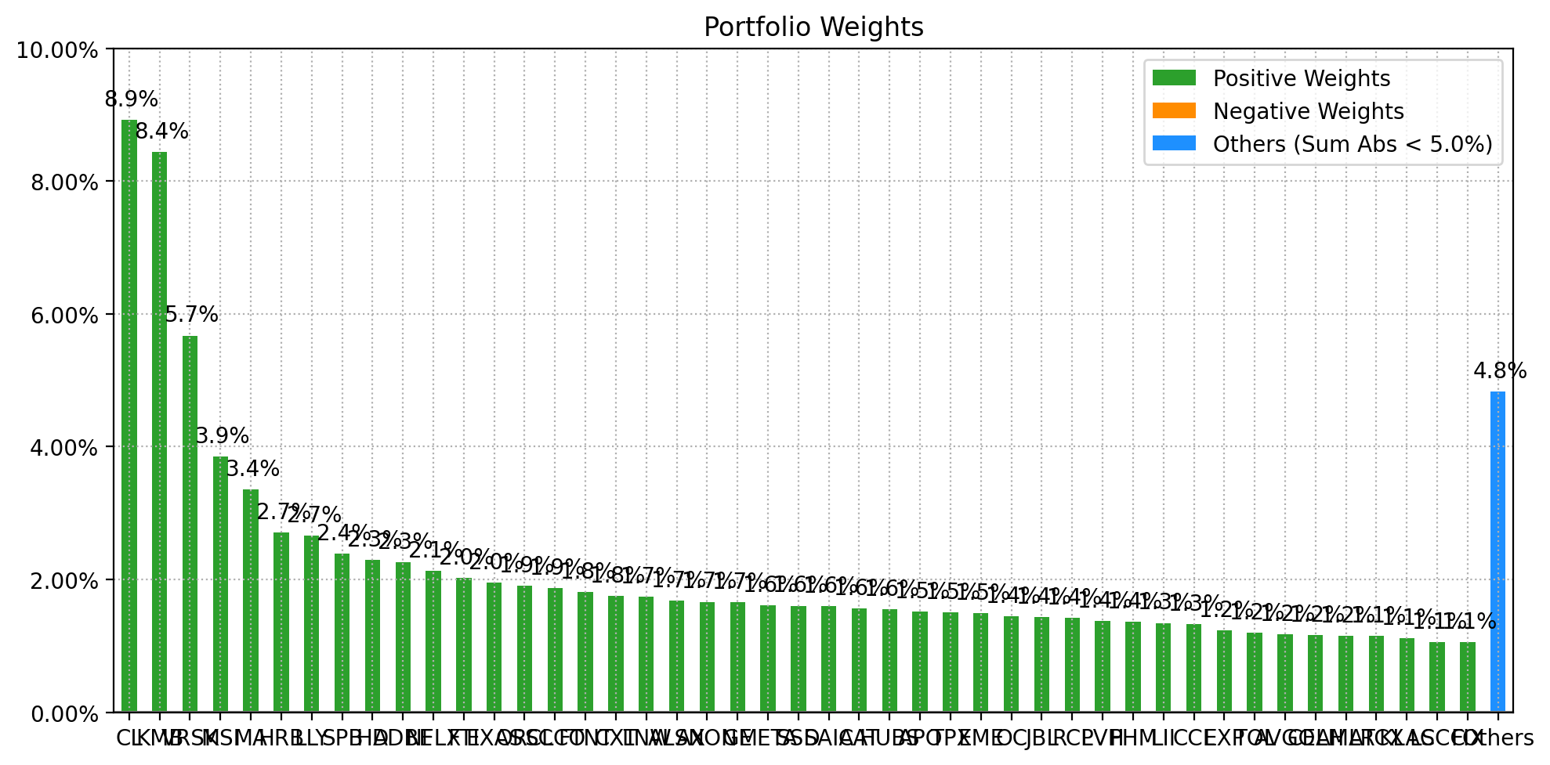
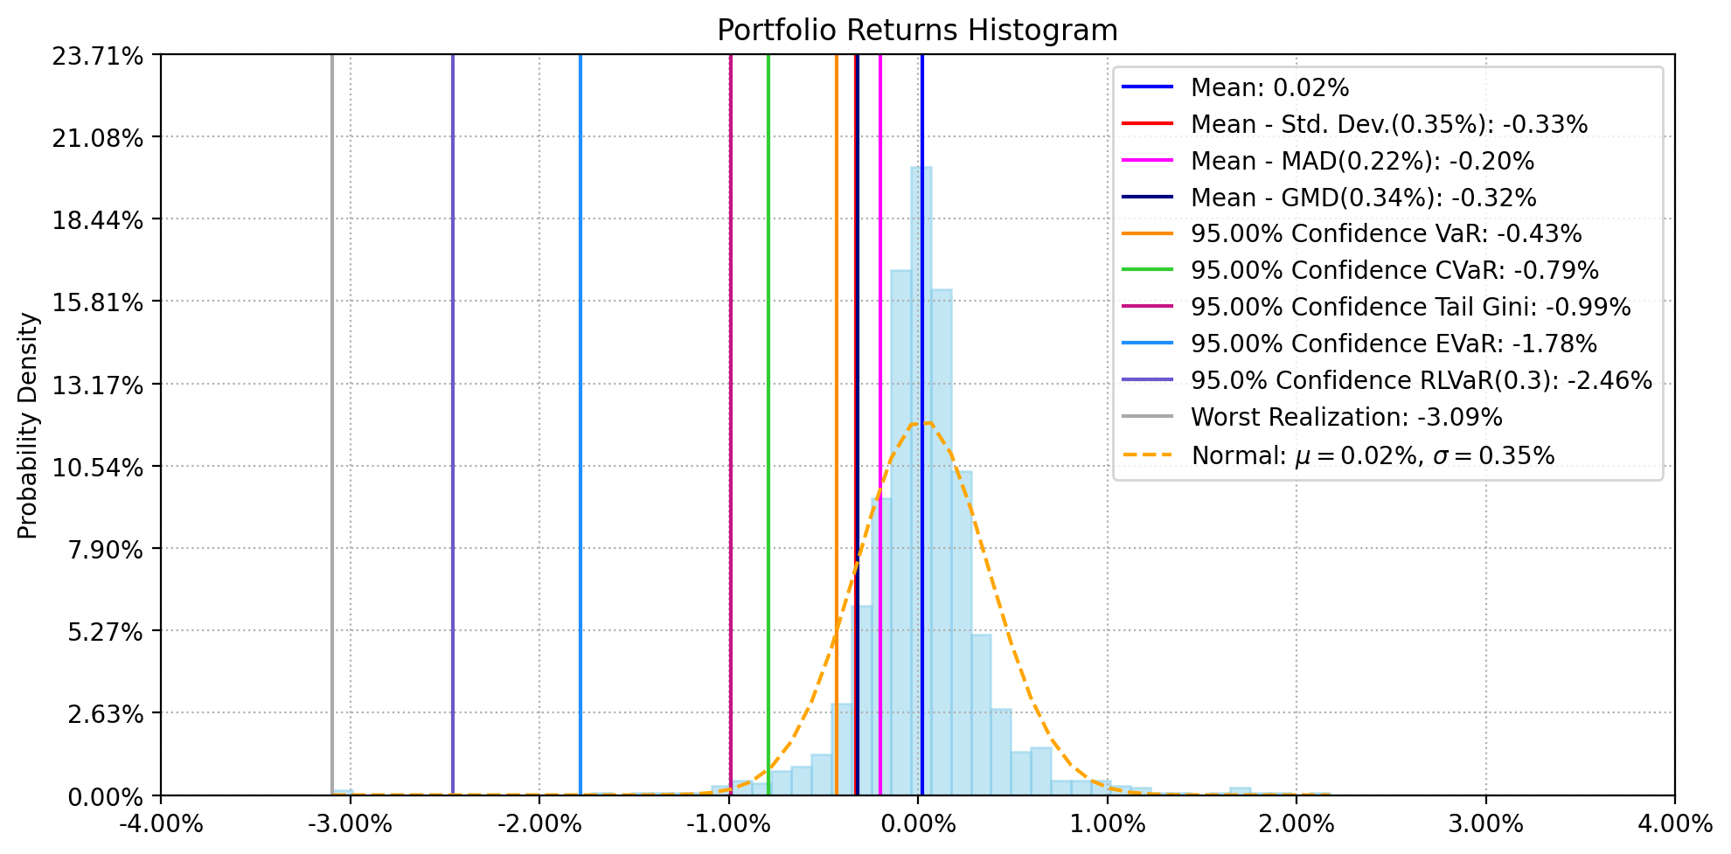
LNW | 1.7421%
LRCX | 1.1462%
LSCC | 1.0606%
MA | 3.3603%
META | 1.6129%
MSI | 3.8553%
NFLX | 2.1276%
NVDA | 1.0093%
OC | 1.4482%
ORCL | 1.9039%
PHM | 1.3598%
PVH | 1.3709%
RCL | 1.4195%
SAIA | 1.5933%
SCCO | 1.8659%
SMCI | 0.7294%
SPB | 2.3858%
SSD | 1.6044%
TOL | 1.2026%
TPX | 1.5047%
URI | 1.0454%
VRSK | 5.6729%
XPO | 1.0343%

